BOM
Item | Part Number | Thumbnail | BOM Structure | Unit QTY | QTY | Stock Number | Description | REV
1 | Standoff_M3_37mm | 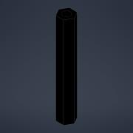 | Normal | Each | 4
2 | ISO 7380-1 - M3 x 8 | 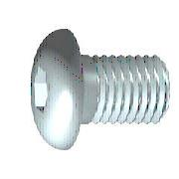 | Purchased | Each | 76 |  | Hexagon Socket Button Head Screw - Product grade A
3 | Body_Outer_Plate |  | Normal | Each | 2
4 | Body_Center_Plate |  | Normal | Each | 2
5 | Standoff_M3_10mm | 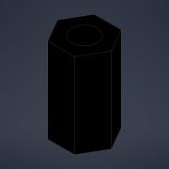 | Normal | Each | 8
6 | ISO 7380-1 - M3 x 6 |  | Purchased | Each | 80 |  | Hexagon Socket Button Head Screw - Product grade A
7 | Standoff_M3_15mm | 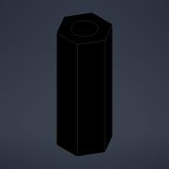 | Normal | Each | 8
8 | Leg_Frame_Connector_16mm | 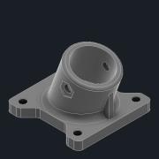 | Normal | Each | 4
9 | ISO 4762 - M3 x 25 | *Varies* | Purchased | Each | 20 |  | Hexagon Socket Head Cap Screw
10 | ISO 4035 - M3 | 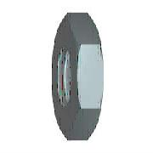 | Purchased | Each | 22 |  | Hexagon thin nuts (chamfered) - Product grades A and B
11 | Leg_Feet_Connector_16-10mm | 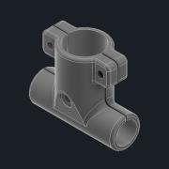 | Normal | Each | 6
12 | ISO 4762 - M3 x 10 |  | Purchased | Each | 20 |  | Hexagon Socket Head Cap Screw
13 | ISO 4762 - M3 x 20 |  | Purchased | Each | 6 |  | Hexagon Socket Head Cap Screw
14 | Tube_12x1x400_CFRP | 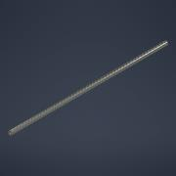 | Normal | Each | 2
15 | 10mm_Endcap | 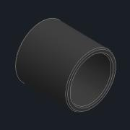 | Normal | Each | 4
16 | Landing_Foam | 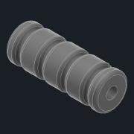 | Normal | Each | 4
17 | Leg_Loadpipe_Mount | 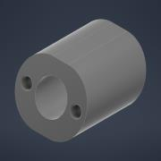 | Normal | Each | 6
18 | Threaded_Insert_M3x4 | 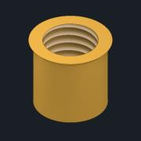 | Normal | Each | 50
19 | ISO 4026 - M3 x 4 | 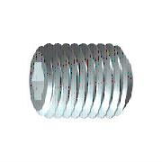 | Purchased | Each | 6 |  | Hexagon socket set screws with flat point
20 | 16mm_Tube_Connecotor_Holybro | *Varies* | Normal | Each | 32
21 | ISO 7380-1 - M3 x 30 |  | Purchased | Each | 16 |  | Hexagon Socket Button Head Screw - Product grade A
22 | ISO 7089 - 3 |  | Purchased | Each | 16 |  | Plain washers - Normal series - Product grade A
23 | ISO 10511 - M3 | 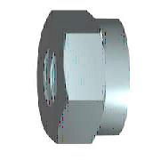 | Purchased | Each | 36 |  | Hex Nut
24 | Leg_Loadpipe_Plate |  | Normal | Each | 4
25 | 12mm_Endcap | 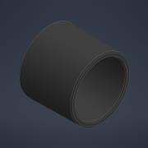 | Normal | Each | 4
26 | Battery_Clip | 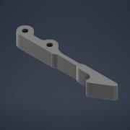 | Normal | Each | 4
27 | Battery_Slide | 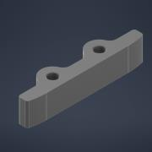 | Normal | Each | 6
28 | Battery_Tray | 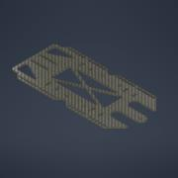 | Normal | Each | 2
29 | Battery_Standoff | 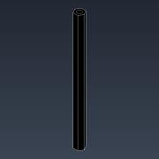 | Normal | Each | 8 |  | Standoff_M3_(StandoffLength)mm
30 | Tattu_Battery__Top_Tray | 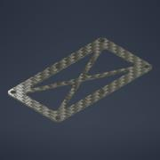 | Normal | Each | 2
31 | ISO 7380-1 - M3 x 25 |  | Purchased | Each | 16 |  | Hexagon Socket Button Head Screw - Product grade A
32 | Tube_12x1x_<LoadpipeLength>_CFRP | 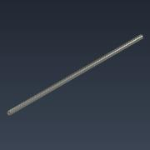 | Normal | Each | 2
33 | Landing_Gear_Stability_Bar | 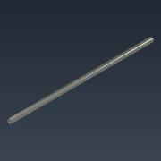 | Normal | Each | 1
34 | Landing_Gear_Rod | 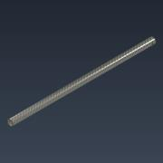 | Normal | Each | 4
35 | Z25_Sideplate | 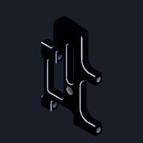 | Normal | Each | 8
36 | Z25_Pipe_Clamp | 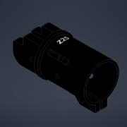 | Normal | Each | 4
37 | Z25_Hinge_Shaft | 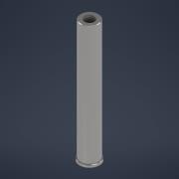 | Normal | Each | 4
38 | Z25_Side_Lock_Button | 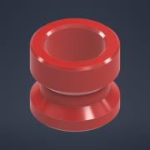 | Normal | Each | 8
39 | Z25_Slide_Shaft | 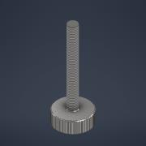 | Normal | Each | 4
40 | Z25_Slide_Spacer | 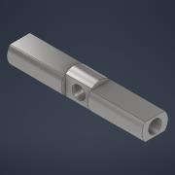 | Normal | Each | 4
41 | Z25_Spacer | 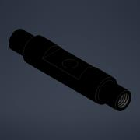 | Normal | Each | 4
42 | ISO 4762 - M3 x 8 |  | Purchased | Each | 8 |  | Hexagon Socket Head Cap Screw
43 | BS 4464 - M2,5 Form B | 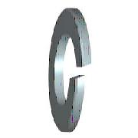 | Purchased | Each | 4 |  | Specification for spring washers for general engineering and automobile purposes. Metric series
44 | ISO 7045 - M2,5 x 5 - 4.8 - H | 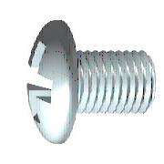 | Purchased | Each | 4 |  | Pan head screw with type H cross recess - product grade A
45 | Z_25_Spring_25x5x4 | 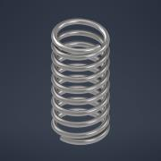 | Normal | Each | 4
46 | Tube_16x1x380_CFRP | 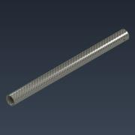 | Normal | Each | 4
47 | 25mm bracket | 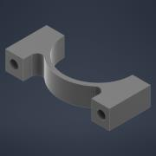 | Normal | Each | 16
48 | Component1 | 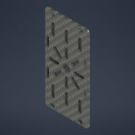 | Normal | Each | 8
49 | Component2 | 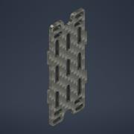 | Normal | Each | 8
50 | mn501s_top_001 | 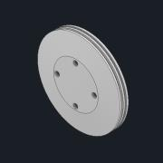 | Normal | Each | 4
51 | mn501s_mid_001 | 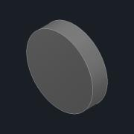 | Normal | Each | 4
52 | mn501s_bot_001 | 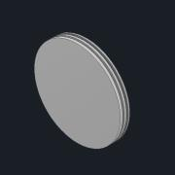 | Normal | Each | 4
53 | ESC ALPHA 60A HV Tmotor | 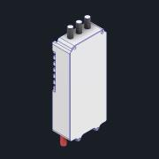 | Normal | Each | 4
54 | Vis M2x8 | 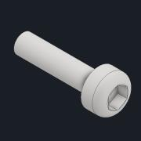 | Normal | Each | 16
55 | Arm bumper | 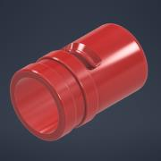 | Normal | Each | 4
56 | PropMount Top | 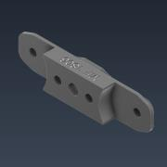 | Normal | Each | 4
57 | PropMount Bottom | 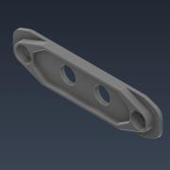 | Normal | Each | 4
58 | 18x6-2F-CO CCW Blade v2 | 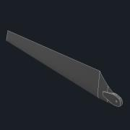 | Normal | Each | 8
59 | 91290A113 | 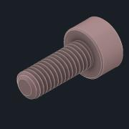 | Normal | Each | 8

